工作表1
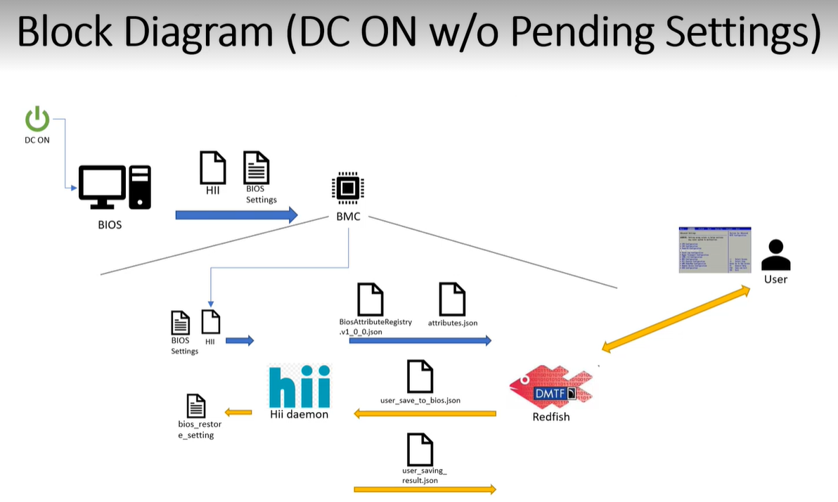

 |  |  |  | BiosAttributeRegistry.v1_0_0.json |  | 109978
 |  |  |  | attributes.json |  | 3762

 |  |  |  | /tmp/bios_restore_setting
 |  |  |  |  | save_att_settings
 |  |  |  |  | set_att
 |  |  |  |  | reset_att_to_default
 |  |  |  |  | has_bootnext

 |  |  |  | user_save_to_bios.json
 |  |  |  | user_saving_result.json
 |  |  |  | Error! no Option Name Question ID: 492

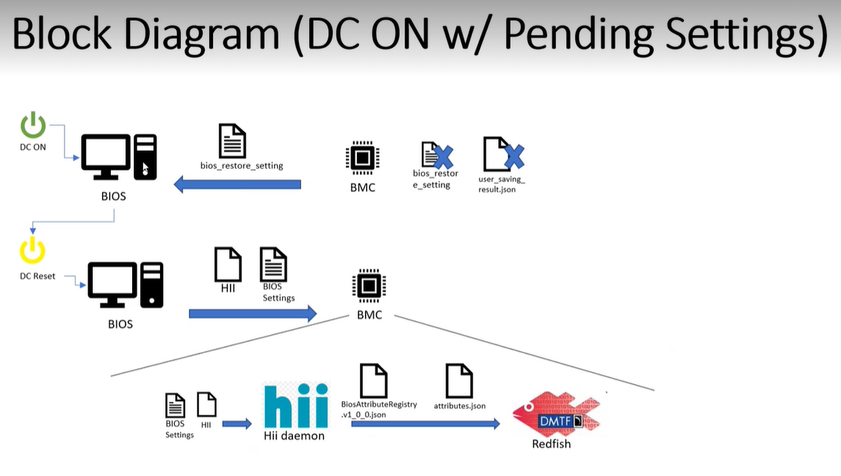

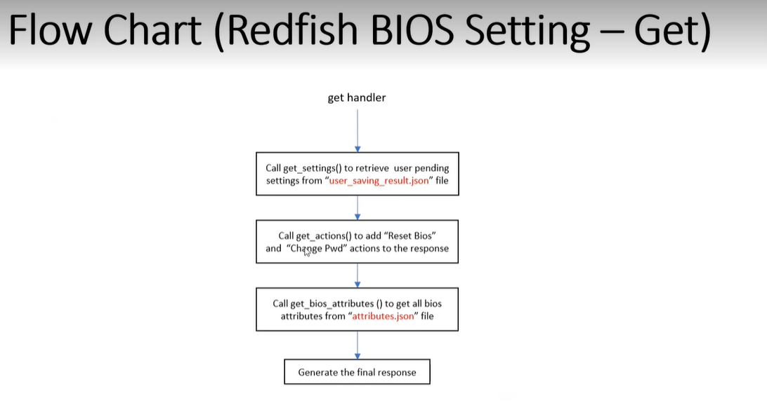

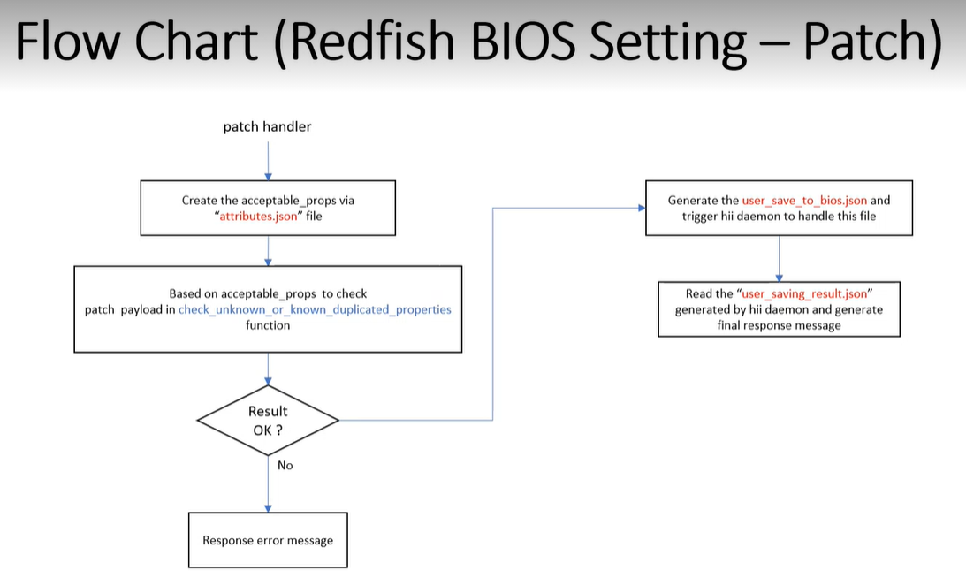

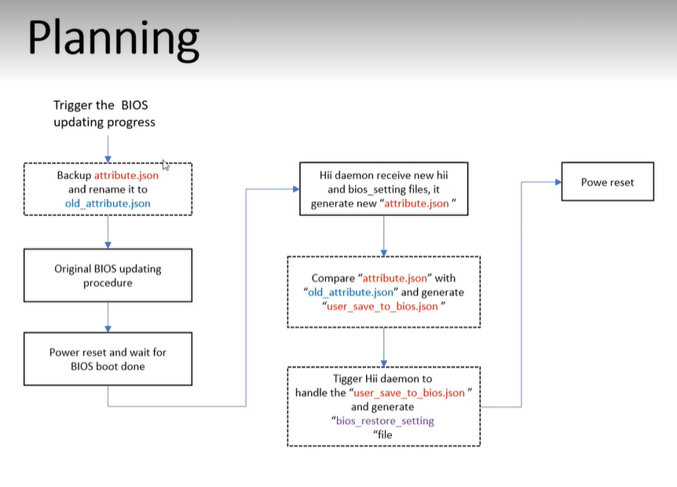
biosupdate.c
 | updatebios

utilbiosupdate.c
 | slavetask_bios_update
 |  | updatebios |  | cp attributes.json to old_attributes.json

slavetaskoemtbl.c
 | SLVTASK_BIOSUPDATE
 |  | slavetask_bios_update

bios_update.cpp
 | bios_update::cbFwUpdate
 |  | UtilSlaveTaskEventSet (SLVTASK_BIOSUPDATE

filelist.h
 | ATTRIBUTE_JSON_FILE
 |  | attributes.json

bios.cpp
 | get_bios_attributes

chiicfg.cpp
 | create_att_settings
 |  | BIOS_ATTRIBUTE_REGISTRY_JSON_FILE
 |  | ATTRIBUTE_JSON_FILE
cfgd.cpp
 | init_cfg
 |  | create_att_settings
 | main
 |  | CFG_SET
 |  |  | set_att

工作表2
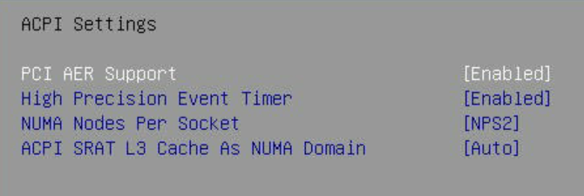
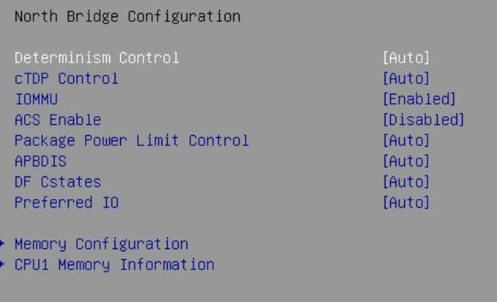
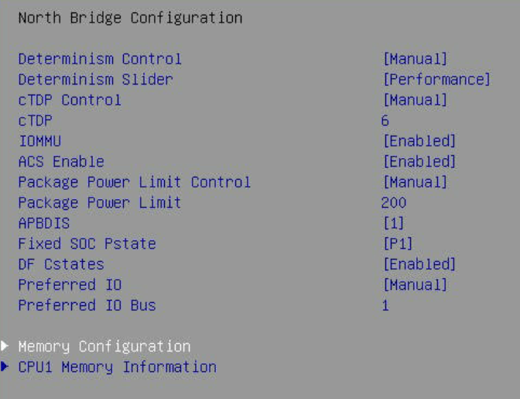
origional | preserved

Boot Mode and CSM
